Sheet1
ME SALVE

PICK TICKET CHECK LIST |  |  |  |  | PT#
 |  |  |  |  | PO#

TICKETING |  | NO TICKETS

ROUTING |  | Coordinate with ARROWPAC sonia@arrowpac.com

INCOTERM

TRANSPORT

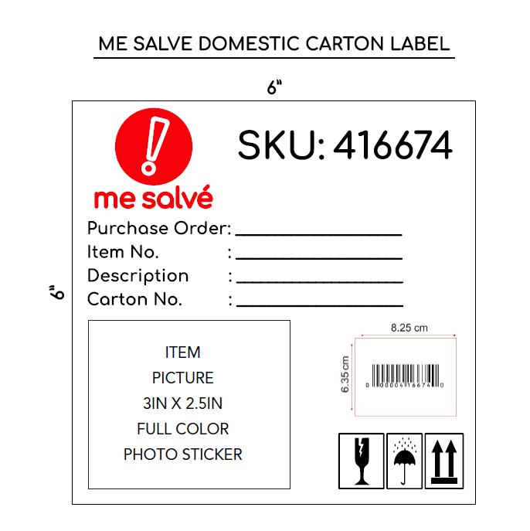
PACKING INSTRUCTIONS:

* All merchandise must be ticketed with a "Me Salve" ticket or valid UPC code.

1. When goods are shipped, the following information must be sent by e-mail, traffic@admincomp.com, mesalve@arrowpac.com on the day the shipment is delivered to or picked up from the carrier:

• Commercial Invoice (This document must be delivered with shipment)
• Packing list (This document must be delivered with shipment)
• Proof of delivery (POD)

2. Do not mix styles in the same pallets. In case you must add another style on the same pallet you must divide the with a carton or wrapping. And identify the pallets with the two styles.

3. BOX MARKS - All cartons need to mark with the following information:

• ME SALVE SKU Number
• Purchase Order Number
• Item Number • Description • Carton No. • UPC • Item Picture

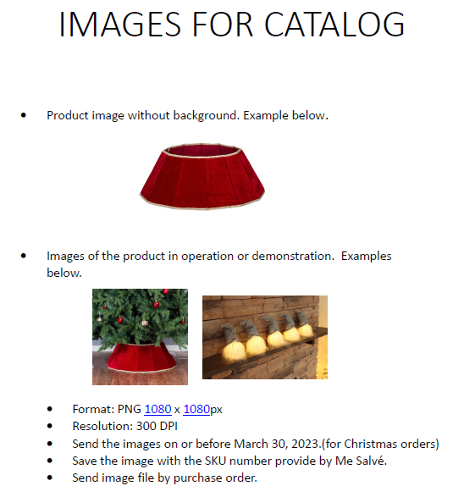
PT STYLE | PT COLOR |  | CUSTOMER SKU | QTY | PT | PO
AXG2004-42 | 99A |  | 513988 | 240 | 1638879 | 24024936
AXG2074 | 99A |  | 513990 | 480 | 1638879 | 24024936
AXG2074 | CG0 |  | 513989 | 480 | 1638879 | 24024936
AXG2091 | 010 |  | 513991 | 240 | 1638879 | 24024936
AXG2102 | 99A |  | 513992 | 240 | 1638879 | 24024936
AXG2103 | 99A |  | 513993 | 384 | 1638879 | 24024936
AXG2104 | 99A |  | 513994 | 384 | 1638879 | 24024936
W8OK00132-42 | A27 |  | 513995 | 240 | 1638879 | 24024936
W8OK00134-42 | A27 |  | 513996 | 240 | 1638879 | 24024936
XOB1 | PK6 |  | 513997 | 240 | 1638879 | 24024936
XOB13 | 99A |  | 513998 | 96 | 1638879 | 24024936
AXG2004-42 | 99A |  | 513988 | 240 | 1638879 | 24024936
Total |  |  |  | 3504

